NSF Supprt-Acadmc Basic Rsrch
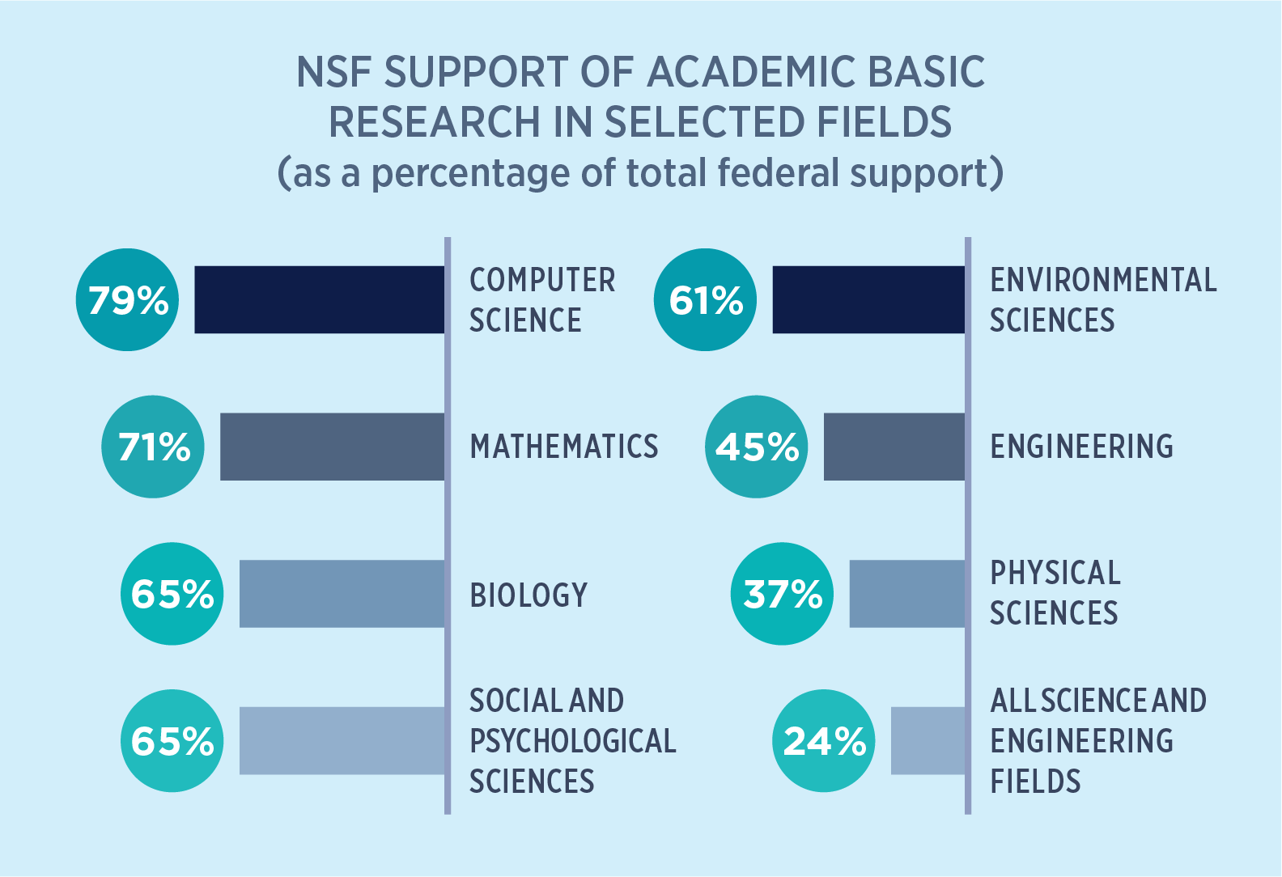
Note: Biology includes Biological Sciences and Environmental Biology. Biology and Psychological Sciences exclude National Institutes of Health.
Source: NSF/National Center for Science and Engineering Statistics, Survey of Federal Funds for Research & Development, FY 2019.

FY 2019 NSF Support of Academic Basic Research in Selected Fields (as a percentage of total federal support)
 | 2019 | 2018 | 2017 | 2016 | Delta between 2019 and 2018
All Science and Engineering Fields | 24% | 24% | 25% | 25% | 0%
Physical Sciences | 37% | 39% | 45% | 44% | -2%
Engineering | 45% | 43% | 46% | 44% | 2%
Environmental Sciences | 61% | 61% | 64% | 63% | -1%
Biology | 65% | 66% | 67% | 69% | -1%
Social and Psychological Sciences | 65% | 65% | 67% | 62% | 1%
Mathematics | 71% | 68% | 67% | 62% | 3%
Computer Science | 79% | 87% | 87% | 85% | -8%
Note: Biology includes Biological Sciences and Environmental Biology. Biology and Psychological Sciences exclude National Institutes of Health.
Source: NSF/National Center for Science and Engineering Statistics, Survey of Federal Funds for Research & Development, FY 2019.

