Porpsl, Award, FR Data
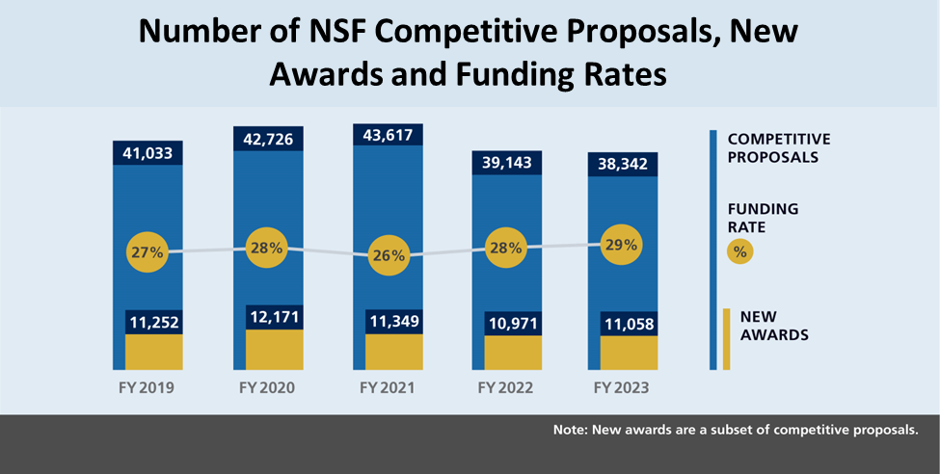
FY 2023 Number of NSF Competitive Proposals, New Awards, and Funding Rates

Fiscal Year | Competitive Proposals | Awards | Funding Rate (percent)
FY 2019 | 41,033 | 11,252 | 27%
FY 2020 | 42,726 | 12,171 | 28%
FY 2021 | 43,617 | 11,349 | 26%
FY 2022 | 39,143 | 10,971 | 28%
FY 2023 | 38,342 | 11,058 | 29%

